AO Strategy
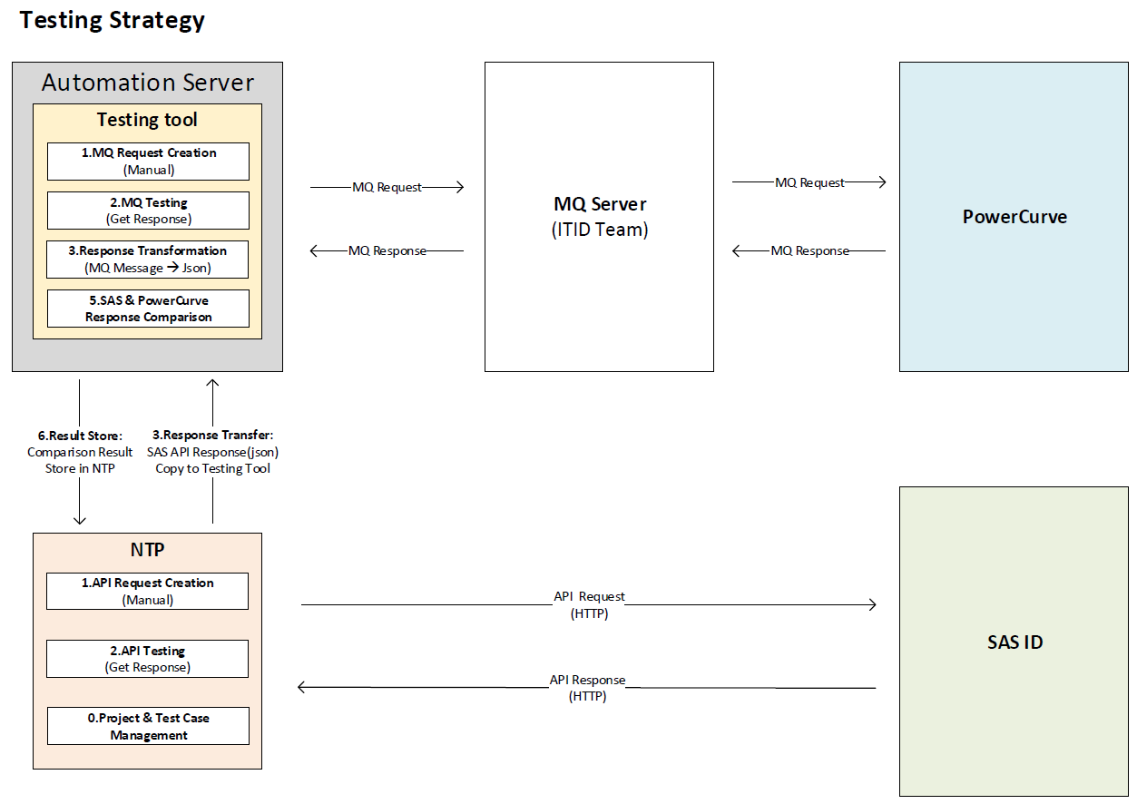
No | Task | Role | Suppoter
1 | Acquire and Analysis MQ Message format for Request and Response | Ash/Karl | Kinson
2 | Acquire and analysis Powercurve MQ Architecture diagram | Ash/Karl | Kinson
3 | Acquire and Analysis Powercurve: Message Format/Schema/Catalogue. | Ash/Karl
4 | Analysis Egypt Testing Strategy and Test Case | Ash
5 | Acquire and Analysis SAS: API Format/Number | Ash/Karl
6 | Analysis and Config the MQ server in Java adodption | Karl/Arvin | Web Resource
7 | Get authorization form ITID(MQ Management team ) | Ash/Karl | ITID
8 | Depoly the system structure into Automation Server | Arvin | Karl
9 | Develop the MQ server connection | Arvin | Karl
10 | Develop the Mapping method for Key-value to MQ Request format | Arvin | Ash/Karl
11 | Develop the Mapping method for Key-value to MQ Response format | Arvin | Ash/Karl
12 | Develop the front-end of MQ Testing page | Kai | Arvin/Ash
13 | Connect the front-end page to back-end by api | Kai | Arvin
14 | Matching the API format to MQ format | Ash/Karl | Card Team
15 | Develop the transformation method MQ Response to Json | Arvin | Karl
16 | Develop the compasion method for API Response Json and MQ Response Json | Arvin | Ash/Karl

